Sheet1
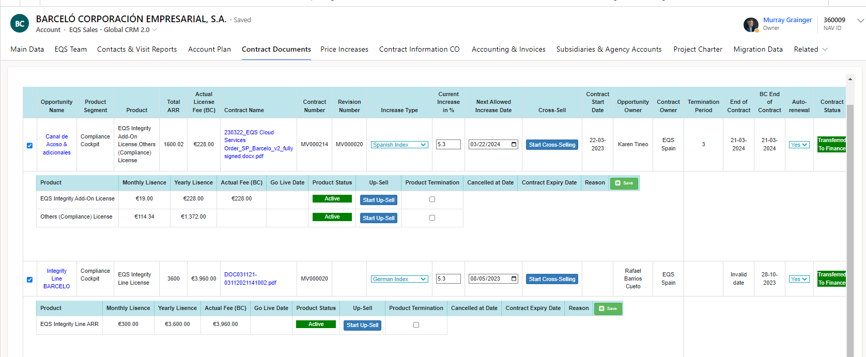

Sheet2
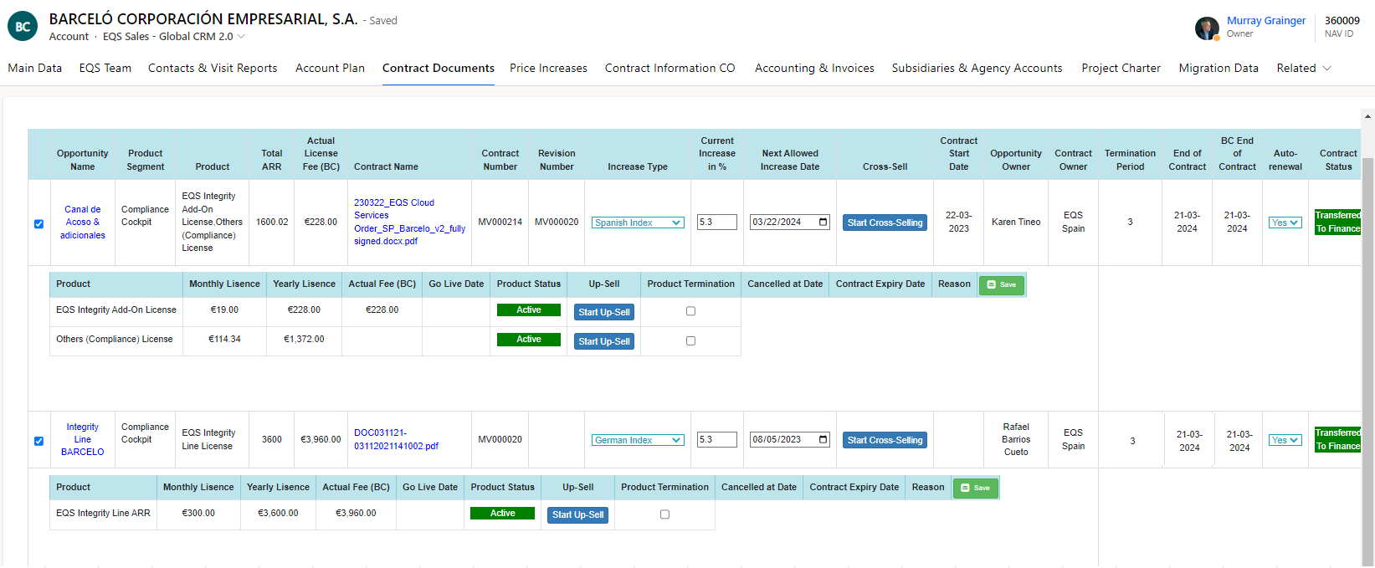

 |  | Jens 12 month check all contracts if there are shorter or extended contracts available | EQS

1. + 1.1. | if the BC End of Contract is reached ( Master Contract). Master and Sub Contract "Auto renewal " is yes. The Old Master Contract and all related sub contracts ( identifier - Revision Number, or bbo_relatedopportunity )must be terminated ( whole Contracts) (Question: How can we identify Old Master Contract if the revision number and bbo_relatedopportunity is same) | Price Increase on new Contract, identify with "Reason "Co-Terming" ( Increase Type?), Start day today, | EQS
2. | all contracts must be terminated by system but only Email notificaions must send to Accounting (NO Termination Checklist creation)(new reason "Co-Terming" must be created and used ("Canceled at" and "expired at" same day like "BC end of contract" ( check if co-terming option is available in Contract Cancellation Reason Column)
3. + 3.1. + 3.2.+ 3.3. | all Contracts must now sum up in one new won opportunity, with complete new contract number 3.2. , but with all other same Opp details ( Question: If multiple opportunities have different details then what shoul we do?)
3.2. | all old products are displayed in sub category (Question: What if multiple opportunities which are temination have same product but values like setup fee or license fee are different) | 2+ 1 Products , new contract will be full increased ( no split between Master and Sub Contract possible | EQS
4. | Date of End of Contract: Contract start date is End of Contract + 1 day , contract length from historic opp, calculation end of contract is "old "end of contract + 1 day+ contract lenght
5. | Contract Status + Product Status Activ

 |  | old price increases , will be historic and not displayed in new Contract | EQS

